About
BNVP BAU New Vehicle Price

Sources: | Data from E3 pathways model for motor vehicles
 | As elsewhere, mapping from Pathways to EPS for vehicles as follows
 | LDV | LDV Passenger
 | MDV | LDV Freight
 | Bus | HDV Passenger
 | HDV | HDV Freight

 | Offroad vehicles

 | aircraft
 | Daniel Michaels, The Wall Street Journal
 | 2012
 | The Secret Price of a Jet Airliner
 | http://www.wsj.com/articles/SB10001424052702303649504577494862829051078

 | rail (locomotive prices)
 | Bob Tita and James Hagerty, The Wall Street Journal
 | 2014
 | Caterpillar Falls Behind GE in Locomotives Race
 | http://www.wsj.com/articles/caterpillar-falls-behind-ge-in-locomotives-race-1405291739
 | Paragraph 5

 | ships
 | see "Ships" tab

 | motorbikes
 | Ben Steward, Popular Mechanics Magazine
 | 2016
 | The 10 Best Buys in Motorcycles for 2017
 | http://www.popularmechanics.com/cars/motorcycles/g2309/best-motorcycle-buys/

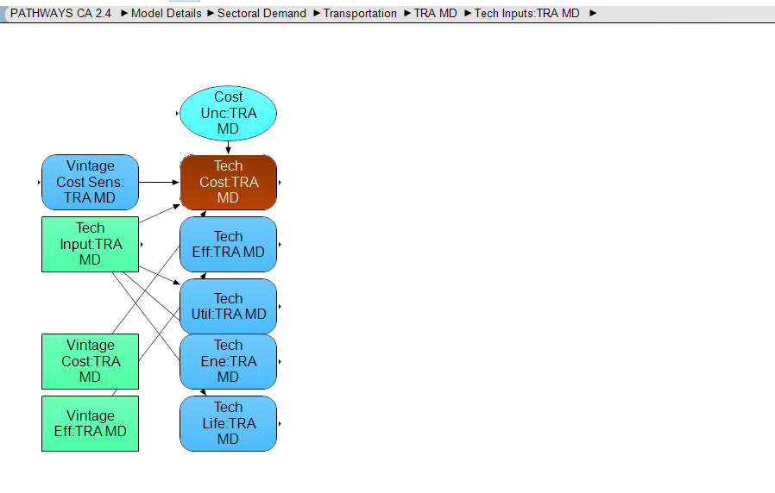
Notes:
Use "in use" for time series where possible and fill in the blanks through estimation otherwise.
Below image shows location of "in use"
Vintage cost at lower left is where the larger set of vehicles is covered.

LDV psgr

(1) There are no diesel LDVs in the E3 data or expected in the California fleet due to air quality concerns.

(2) PHEV50, PHEV40, PHEV25 are not explicitly defined in Pathways documentation. We assume these numbers refer to the size of the battery.
However, the fact that the PHEV25 price is higher than full bEV for LDV autos seems to contradict this.
We use the PHEV values, which are the most well developed (i.e. the others are not a complete time series), typically for the PHEV25 model

HDVS psg
(1) Diesel Buses achieve slightly better efficiency, but only by a marginal amount.
Why would diesel buses ever be purchased if E3 data, showing gasoline buses at 20% of diesel cost, are true?
It may be that gasoline buses are fundamentally different, i.e. school buses vs. transit.
Our model would not account for this difference.
For a more realistic comparison of gasoline vs. diesel buses that represents vehicles that are similar other than the engine, we substitute the diesel price for the gas price one might infer from the E3 data (i.e. $101953 in 2011 is the sole gasoline price given)

(2) BAU data show only CNG vehicles after 2016, so use that as the natural gas price

HDV freight
Gasoline type not a realistic option, so we set this value at an arbitrarily high number (999,999)

US model documentation carried over for now

aircraft
We use an average market price (not an average list price) from among a number
of common commercial aircraft. We use the same price for passenger and freight
aircraft. We assume the price does not change with time.

rail
We use a price from a single source for the locomotive (not the price of the
entire train). We use the same price for passenger and freight locomotives.
We assume the price does not change with time.

freight ships
For details, see the "Ships" tab.

passenger ships
For details, see the "Ships" tab.

motorbikes
We take an average of popular, recent motorbike prices for "gasoline vehicle"
motorbikes. We multiply by the LDVs "battery electric" to "gasoline vehicle" ratio
to estimate the price of battery electric motorbikes in the U.S.

Currency Year
The figures from the Center for Automotive Research come from a 2010 Automotive Yearbook
and therefore are likely in 2010 dollars.
The figures from TruckerToTrucker were collected in early 2015 and therefore use 2015
dollars, but because we don't have a 2015 annual CPI-U figure available yet, we use 2014.
0.971 | 2014 to 2012, for TruckerToTrucker
0.987 | 2013 to 2012, for American Public Transit Association
0.953 | 2016 to 2012, for AEO 2017

We adjust 2012 dollars to 2017 dollars using the following conversion factor:
1.068
See "cpi.xlsx" in the InputData folder for source information.

Notes
Any vehicle types / cargo type / technology combinations that cannot exist
(defined as having zero for all years in the variable MPNVbT) are assigned a
price of zero in this variable.

Ships
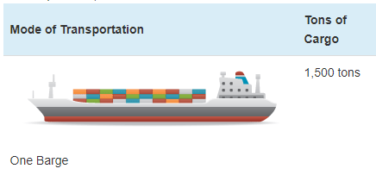
Ship prices vary greatly by ship type and size. Based on variable AVLo, our average |  |  |  | freight ship capacity
freight ship loading is 1363 tons. This may be reasonably represented by a single oceangoing, |  |  |  | Tennessee-Tombigbee Waterway
self-propelled barge that has a capacity of 1500 tons (see source info to the right). A drawing |  |  |  | undated
of a barge of this type is shown to the right (from thas same source). |  |  |  | Cargo Capacity of Different Transportation Modes
 |  |  |  | http://business.tenntom.org/why-use-the-waterway/shipping-comparisons/
Capacities of large barges of this sort are often expressed in TEU (twenty-foot equivalent units),
which are the size of a standard intermodal metal shipping container. They do not convert
neatly into cargo tons, but standard containers have a maximum payload
mass of 21600 kg, or 21.6 metric tons. Typical payload may be less. We use 16 tons as
the typical load for a freight HDV (see variable AVLo), which may use an intermodal container
or be similar in size to one.

The largest barge in the world is the Maersk Triple E class, with a capacity of 18,340 TEU |  |  |  | Source for TEU capacities
and a cost of $185 million. This is more than 200 times more capacity than the ship we |  |  |  | https://web.archive.org/web/20090420143514/http://emase.co.uk/data/cont.html
wish to represent with this variable, and it serves as an upper bound reference point.
 |  |  |  | Source for Maersk Triple E class pricing
A variety of used boats are listed for sale at https://www.oceanmarine.com |  |  |  | https://www.bloomberg.com/news/photo-essays/2013-09-05/holy-ship#slide1
with ever-changing inventory. These barges all tend to be smaller than the reference
ship we wish to represent (with 1500-ton capacity). The closest ships I have been |  |  |  | Source for Other Example cargo ship pricing
able to find are certain Platform Supply Vessels, which tend to have higher deck capacities |  |  |  | https://www.oceanmarine.com
and lower prices than the similar Anchor Handling Tug Supply (AHTS) vessels. AHTS
vessels have extra equipment and engine power that may increase their price relative
to the necessary capacity.

 | Description | Deck Capacity (metric tons) | Price | Year of Manufacture
 | 180ft 5200HP AHTS 9504 | 500 | 5900000 | 1984
 | 60 Ton BP AHTS - 9279 | 500 | 7050000 | 1984
 | 5200HP AHTS - 9278 | 500 | 7050000 | 1983
 | 220ft Platform Supply DP-1 - 13146 | 1030 | 6000000 | 1999
 | 240ft Platform Supply Vessel(PSV) DP-1 - 13932 | 1800 | 6000000 | 2009
 | 285ft Platform Supply Vessel (PSV) - 13810 | 2800 | 22000000 | 2014

Based on all of these data points, we select a value of $10 million to represent a brand new,
self-propelled, ocean-going barge or supply boat with 1,500-ton capacity.
10000000

We assume no change in pricing over time.

Passenger Ships (recreational boats in the U.S. model) |  |  |  | Source for typical recreational boat characteristics
As with freight ships, there are a great variety of types of recreational boats at various |  |  |  | http://www.carefreeboater.com/how-much-does-a-boat-cost/
price points. We assume a runabout roughly 21 feet to 24 feet in length is typical.
 |  |  |  | Sources for boat prices
We use a value of $30,000 for these boats, which seems reasonable for a brand |  |  |  | http://www.boatingmag.com
new, entry-level runabout of the sort determined to be typical. This is based |  |  |  | http://www.boattrader.com
on examination of price listings and articles at the sources listed to the right. |  |  |  | http://www.boats.com
30000

We assume no change in pricing over time.

LDV EV comparative lit
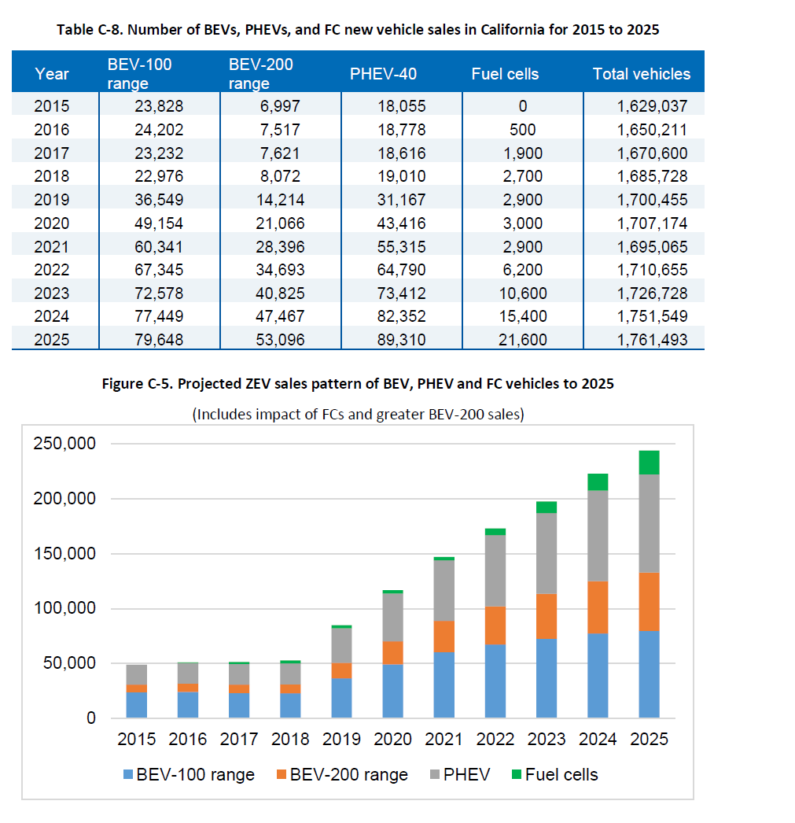
Comparisons to other similar analysis

1. International Council on Clean Transportation
The ICCT uses variants of same vehicle to isolate electrification costs in the same way the above calculations are carried out.
See the following publictions
https://www.theicct.org/sites/default/files/publications/EU_vehicle_taxation_Report_20181214_0.pdf

2. Energy Information Administration
EIA also finds a similar price premium on the electric VW Golf, as stated below:
Using Golf as an example, stating:
An EV with a 100-mile range is projected to save around $385 annually in 2025 compared to a standard gasoline vehicle. These fuel savings come at an incremental vehicle price before tax credits of around $10,000.
https://www.eia.gov/todayinenergy/detail.php?id=17211

3. Union of Concerned Scientists
2017 data from Union of Concerned Scientists.

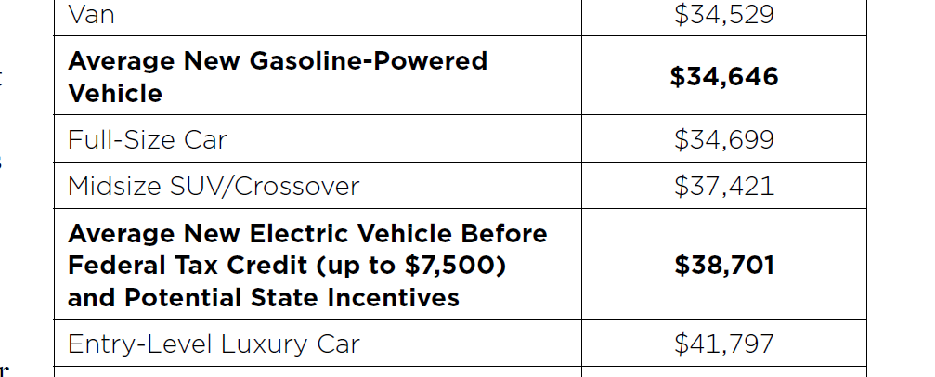

Share of 100-mile range versus 200-mile range or greater vehicles.
EPIC Final Report | Project 1.25 DC Fast Charging Mapping
Electric Program Investment Charge (EPIC)
Report for Pacific Gas and Electric
https://www.pge.com/pge_global/common/pdfs/about-pge/environment/what-we-are-doing/electric-program-investment-charge/EPIC-1.25.pdf

LDV EV method-sources
Method, in brief.

Hold other vehicle attributes constant by looking at how much the battery adds to cost, and calculating the effect of electrification as a function of this.

Battery cost is used as the determinant of the initial difference (2017 Start Year) in cost between electric and standard-fueled vehicles.
"The largest determinant of electric vehicles’ purchase price and incremental cost over internal combustion vehicles is the cost of battery packs."
https://www.theicct.org/sites/default/files/publications/EV%20Evolving%20Incentives_white-paper_ICCT_nov2016.pdf

Empirical 2017 sales are used to find empirically-based estimates of battery size and cost.

Use the following data points to estimate battery cost |  |  |  | per kWh
 |  | GM/Bolt Battery cost | 12300 | 205
 |  | Tesla Battery cost |  | 190
 |  | Other OEM battery cost assumed $240 |  | 240

First average incremental cost

Based on different required battery sizes by vehicle segments and expected sales, estimate incremental cost

Data point for battery cost

This Union of Concerned Scientists piece states:
https://www.ucsusa.org/clean-vehicles/electric-vehicles/electric-cars-battery-life-materials-cost
 | When the first mass-market EVs were introduced in 2010, their battery packs cost an estimated $1,000 per kilowatt-hour (kWh).
 | Today, Tesla's Model 3 battery pack costs $190 per kWh, and General Motors’ 2017 Chevrolet Bolt battery pack is estimated to cost about $205 per kWh.

"Energy storage deployment and innovation for the clean energy transition"
https://www.nature.com/articles/nenergy2017125.pdf
178.41 | 2017 estimate

Take the average of the estimated Tesla and GM Bolt prices.
estimated battery price | 197.5

Data for California sales in 2017
SF Chronicle
EV sales in California in 2017
https://www.sfchronicle.com/business/article/The-top-electric-car-in-California-is-not-a-Tesla-12717630.php
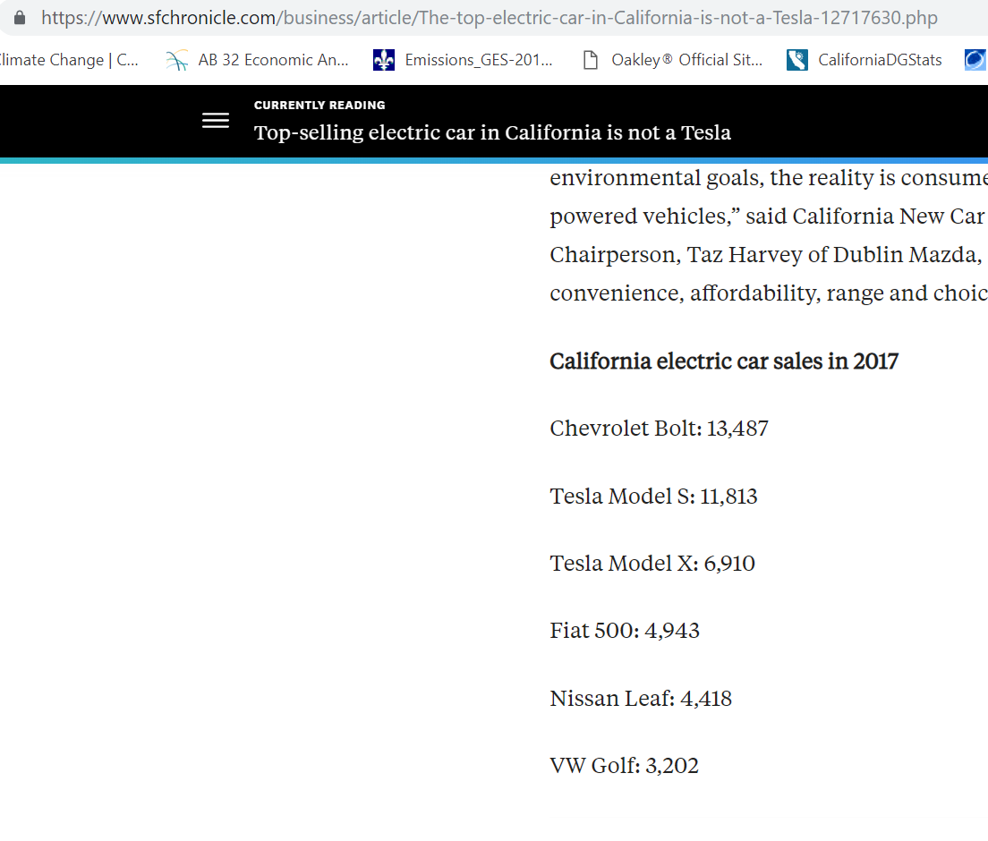

Data for battery sizes in 2017 vehicles
Evadoption.com
https://evadoption.com/ev-statistics-of-the-week-range-price-and-battery-size-of-currently-available-in-the-us-bevs/

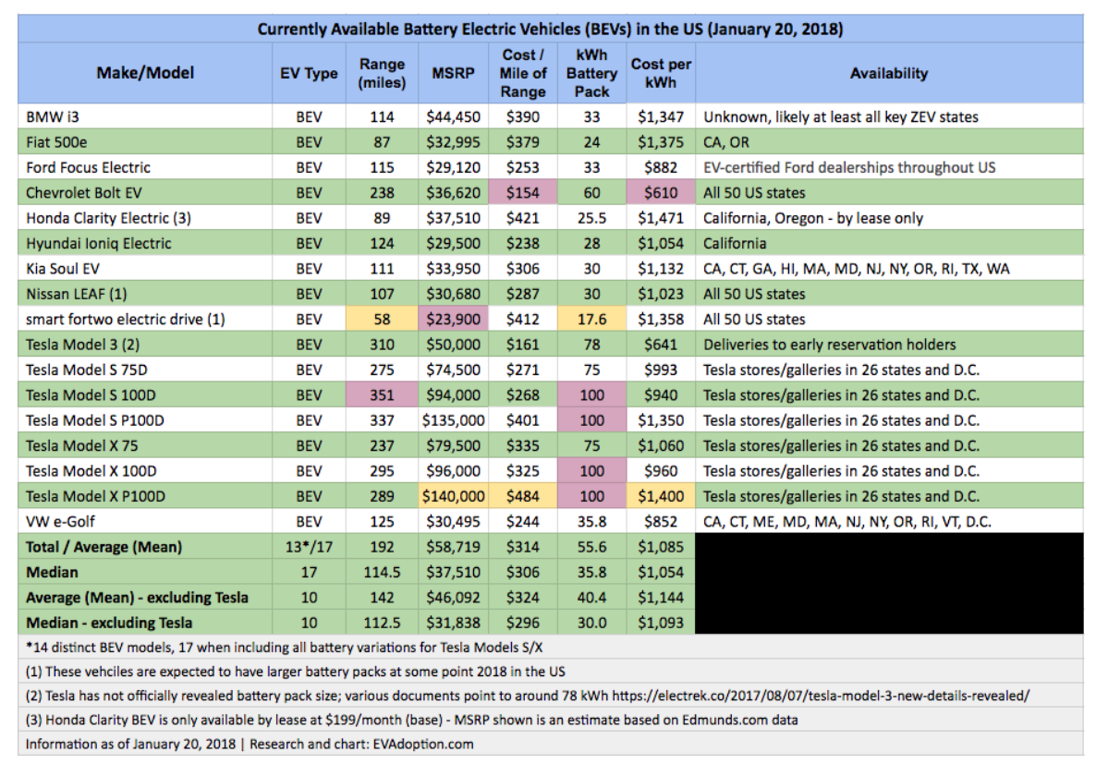

Share of 100-mile range versus 200-mile range or greater vehicles.
EPIC Final Report | Project 1.25 DC Fast Charging Mapping
Electric Program Investment Charge (EPIC)
Report for Pacific Gas and Electric
https://www.pge.com/pge_global/common/pdfs/about-pge/environment/what-we-are-doing/electric-program-investment-charge/EPIC-1.25.pdf

This report shows 100-mile BEVs dominating.
AEO forecasts also show smaller range BEVs as the main type in the coming decade.
We use the AEO ratio

LDV market segments
 | National Auto Dealers Association
 | Market Beat
 | https://www.nada.org/WorkArea/DownloadAsset.aspx?id=21474853735
 | Jan-18

 | California Dealers Association Data do not provide this level of specificity at the segment level.
 | Use the following data to estimate sales by segment.

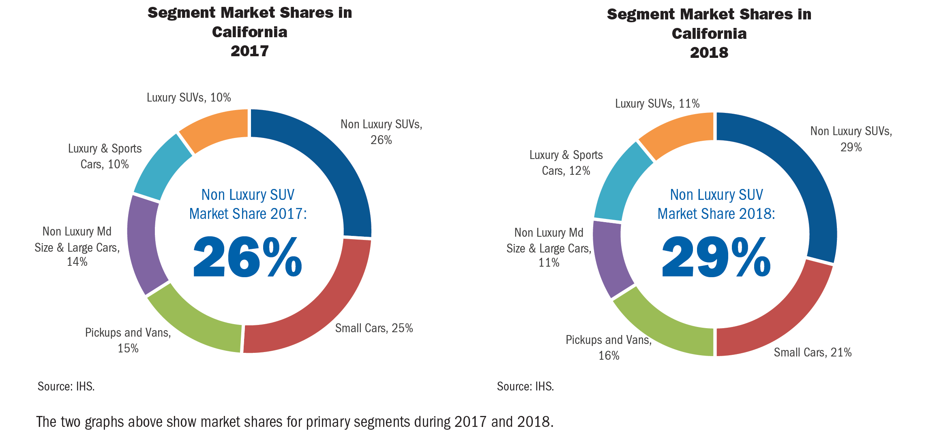
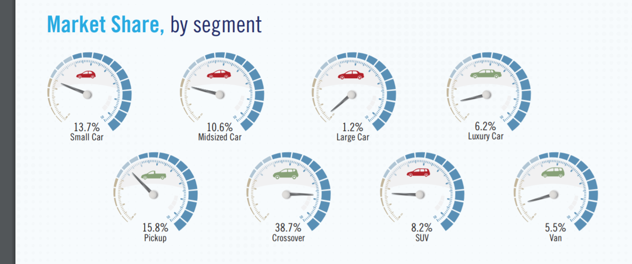

 | https://www.nada.org/WorkArea/DownloadAsset.aspx?id=21474853735

 | Cal dealers association |  | National auto dealers association

 |  |  | Fractions within car or truck
 |  | use national data to scale down to smaller segments
car |  |  | car |  | share of cars
small | 0.21 | 0.21 | small | 0.137 | 0.53725490196
mid |  | 0.098813559322 | mid | 0.106 | 0.41568627451
large or medium | 0.11 | 0.011186440678 | large | 0.012 | 0.047058823529
 |  |  | (luxury assumed to span types, so exclude)
 |  |  | subtotal | 0.255

truck |  |  | truck
pickup | 0.16 | 0.16 | pickup | 0.158 | 0.25199362041
crossover |  | 0.23929637527 | crossover | 0.387 | 0.61722488038
SUV | 0.29 | 0.050703624733 | SUV | 0.082 | 0.1307814992
 |  |  | (don’t have value for van, so exclude)
 |  |  |  | 0.627

Also identify share of car vs. turck (continuing focus on non-SUV)

car | 0.32
truck | 0.45

Battery cost per unit
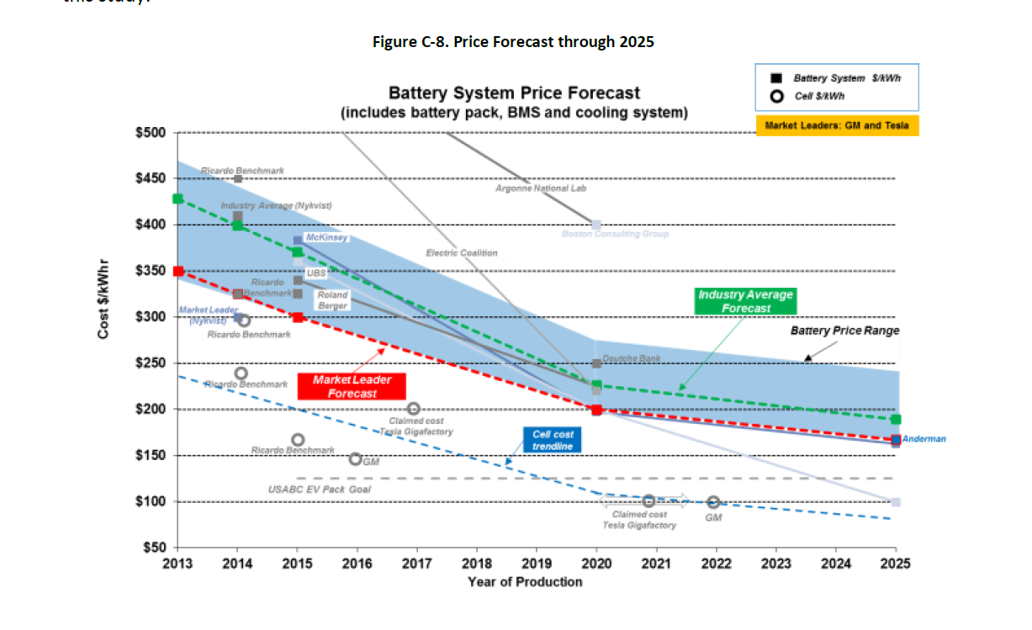
Tesla and Bolt dominating sales.
Use their battery costs to determine incremental cost impacts plus a portio for Nissan and VW represented by market average, pegged at $50 above market leaders, as Ricardo estimates below.

Resulting estimated cost in 2017 |  |  | 208.54812052

Empirical data on battery size and cost

 |  | California 2017 sales of Evs for top 6 models | Fraction of sales | Battery pack size | Price per kWh |  | Fraction of sales without Tesla model X for use in share of cost variable
GM Bolt | BEV 200 | 13487 | 0.3012306524 | 60 | 205 |  | 0.35620526636
Tesla Model S | BEV 200 | 11813 | 0.26384204766 | 91.666666667 | 190 |  | 0.31199323878
Tesla Model X | BEV 200 | 6910 | 0.15433408527 | 91.666666667 | 190
Fiat 500 | sub 100 | 4943 | 0.11040135796 | 24 | 240 |  | 0.13054961308
Nissan Leaf | BEV 100 | 4418 | 0.098675541063 | 30 | 240 |  | 0.11668383382
VW Golf | BEV 100 | 3202 | 0.071516315637 | 35.8 | 240 |  | 0.084568047962
Total |  | 44773 | 1
Without Tesla X |  | 37863

 | Tesla share | 0.41817613294
 | GM share | 0.3012306524
 | remainder | 0.28059321466
Sales weighted |  | 208.54812052

Sales weighted average - With Tesla X |  |  |  | 64.576834253 | 208.54812052 | 13467.377412

**For both Tesla Model S and Model X, assume equal sales across the three types of configurations, resulting in an average battery size of 91.67 kW

Ricardo pegs industry average as $50 per unit above market leader.

Battery size across segments
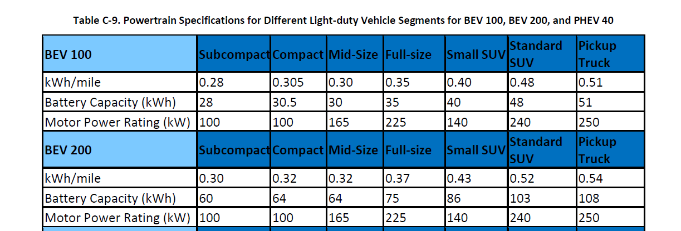
 |  |  | From Ricardo /EPIC
BEV 100

Market shares |  | battey size
small | 0.21 | 30.5
mid | 0.098813559322 | 30
large or medium | 0.011186440678 | 35
BEV 100 car avg |  | 30.502913136

truck
pickup | 0.16 | 51
crossover | 0.23929637527 | 41
SUV | 0.050703624733 | 48
BEV 100 truck avg |  | 45.344278607

BEV 200

Market shares |  | battey size
small | 0.21 | 62
mid | 0.098813559322 | 64
large or medium | 0.011186440678 | 75
BEV car 200 avg |  | 63.072033898

truck
pickup | 0.16 | 108
crossover | 0.23929637527 | 86
SUV | 0.050703624733 | 103
BEV 100 truck avg |  | 95.73769249

PHEV 40

Market shares |  | battey size
small | 0.21 | 12
mid | 0.098813559322 | 12
large or medium | 0.011186440678 | 14
PHEV Car |  | 12.069915254

truck
pickup | 0.16 | 20
crossover | 0.23929637527 | 16
SUV | 0.050703624733 | 19
PHEV truck |  | 17.760246387

car % | 0.84753849042
truck % | 0.15246150958

overall PHEV size | 12.937471729

100 mile vs. 200 miles
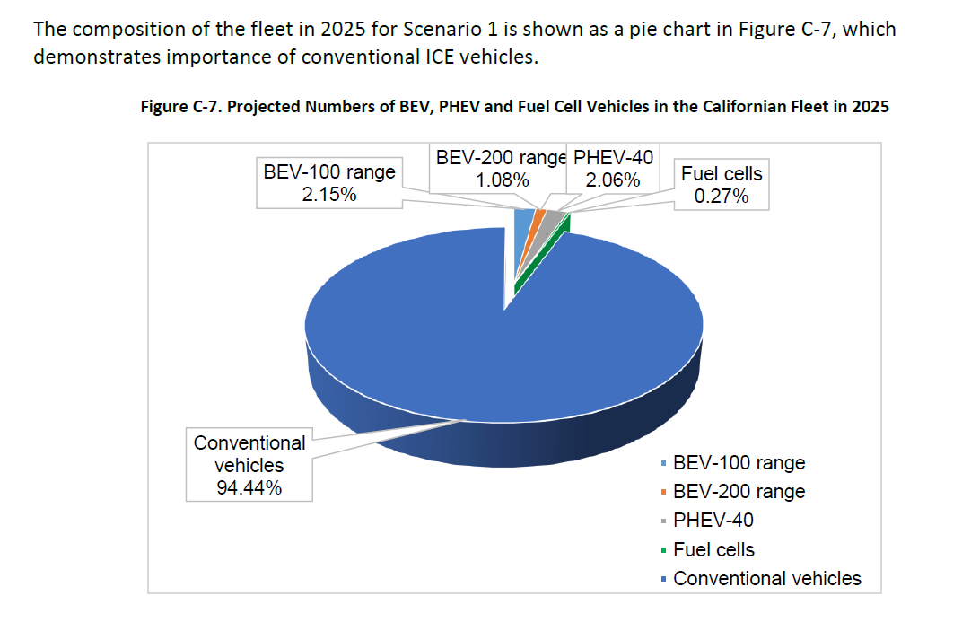
AEO 2019 forecast - table 39.9 (pacific region new LDV sales)
Technology Type | 2017 | 2018 | 2019 | 2020 | 2021 | 2022 | 2023 | 2024 | 2025 | 2026 | 2027 | 2028 | 2029 | 2030

New Car Sales 1/
100 Mile Electric Vehicle | 10.7 | 3.0 | 10.5 | 10.8 | 11.7 | 13.2 | 14.2 | 16.1 | 16.8 | 15.8 | 15.8 | 15.0 | 15.6 | 15.1 | 184.2
200 Mile Electric Vehicle | 10.6 | 9.4 | 33.0 | 41.9 | 45.3 | 47.3 | 52.1 | 59.8 | 67.0 | 65.7 | 65.6 | 66.1 | 72.4 | 72.2 | 708.2

Alternative-Fuel Light Trucks
100 Mile Electric Vehicle | 0.7 | 0.9 | 3.5 | 5.0 | 7.3 | 9.5 | 9.6 | 10.3 | 10.8 | 10.7 | 10.6 | 10.1 | 10.3 | 10.4 | 109.5
200 Mile Electric Vehicle | 0.4 | 0.5 | 1.0 | 1.7 | 3.1 | 4.4 | 4.5 | 5.0 | 5.3 | 5.2 | 5.2 | 4.9 | 4.9 | 4.9 | 51.0

Total |  |  |  |  |  |  |  |  |  |  |  |  |  |  | 1,053.0

shares per AEO |  |  | adjusted car share as an intermediate value between AOE and Ricardo
Cars |  |  | for cars alone | as fractions of overall LDV |  |  |  |  |  |  |  |  |  |  | car % | 0.84753849042
100 Mile Electric Vehicle | 0.17492566089 |  | 0.5 | 0.42376924521 |  |  |  |  |  |  |  |  |  |  | truck % | 0.15246150958
200 Mile Electric Vehicle | 0.67261282953 |  | 0.5 | 0.42376924521

Trucks
100 Mile Electric Vehicle | 0.10400625994
200 Mile Electric Vehicle | 0.048455249647

Ricardo finds more BEVs of 100 miles range, as shown below, through 2025.

more recent LDV $
 |  | trucks | 10738
 |  | cars | 6080
 |  | total | 16818

 | average price |  | 32856.400642

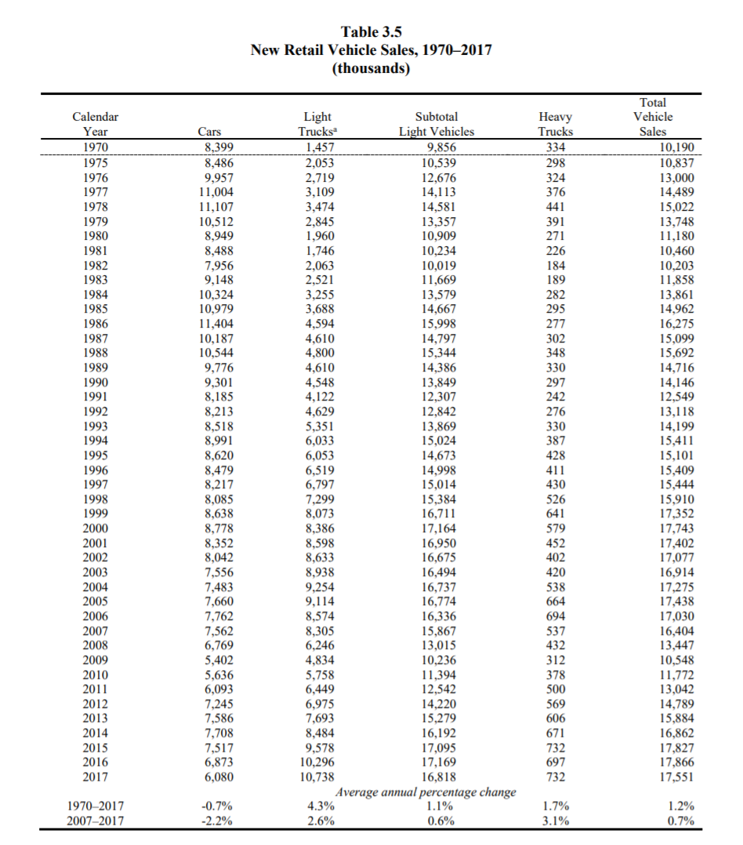

trucks | 10738
cars | 6080

